Mean Test (T)
S-SB | Day2 | P14 | of | 2.2 S-SB1 Data Summarisation

21 | 26 | 28 | 20
n | Mean | Variance | StdDev | SE (Standard error of the mean) |  |  |  | 1.96*SE |  | 95% CI Lower Limit |  | 95% CI Higer Limit |  |  | CI: Confidence Interval
4 | 23.75 | 14.916666667 | 3.8622100754 | 1.9311050377 |  |  |  | 3.7849658739 |  | 19.965034126 |  | 27.534965874

23 | 25 | 29 | 26 | 25 | 28 | 33 | 20
n | Mean | Variance | StdDev | SE (Standard error of the mean) |  |  |  | 1.96*SE |  | 95% CI Lower Limit |  | 95% CI Higer Limit |  |  | CI: Confidence Interval
8 | 26.125 | 15.553571429 | 3.9438016467 | 1.394344444 |  |  |  | 2.7329151103 |  | 23.39208489 |  | 28.85791511

S-SB | Day2 | P19 | of | 2.2 S-SB1 Data Summarisation

21 | 23 | 24 | 19 | 25 | 35 | 29 | 31 | 34 | 26 | 23 | 25 | 29 | 27 | 28 | 23 | 33 | 31 | 21 | 20
n | Mean | Variance | StdDev | SE (Standard error of the mean)
20 | 26.35 | 22.765789474 | 4.7713509066 | 1.0669064972

21 | 26 | 28 | 20
n | Mean | Variance | StdDev | SE (Standard error of the mean) |  |  |  | 1.96*SE |  | 95% CI Lower Limit |  | 95% CI Higer Limit |  |  | CI: Confidence Interval
4 | 23.75 | 14.916666667 | 3.8622100754 | 1.9311050377 |  |  |  | 3.7849658739 |  | 19.965034126 |  | 27.534965874

23 | 25 | 29 | 26 | 25 | 28 | 33 | 20
n | Mean | Variance | StdDev | SE (Standard error of the mean) |  |  |  | 1.96*SE |  | 95% CI Lower Limit |  | 95% CI Higer Limit |  |  | CI: Confidence Interval
8 | 26.125 | 15.553571429 | 3.9438016467 | 1.394344444 |  |  |  | 2.7329151103 |  | 23.39208489 |  | 28.85791511

https://stats.stackexchange.com/questions/47809/how-does-the-sampling-distribution-of-sample-means-approximate-the-population-me
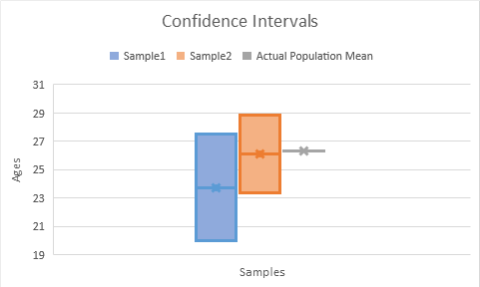

S-SB | Day2 | P14 | of | 2.3 S-SB2 Sampling and Normality (WS+)

54 | 55 | 59 | 63 | 64 | 68 | 69 | 70
n | Mean | Variance | StdDev | SE (Standard error of the mean)
8 | 62.75 | 38.785714286 | 6.2278177788 | 2.2018660917

S-SB | Day2 | P6 | of | 2.4 S-SB2 One Sample Tests (WS+)

McDonald's dirve through time from 25 stores
McDonalds.csv
155.24 | 143.46 | 140.37 | 152.29 | 188.01 | 151.13 | 124.81 | 191.16 | 163.37 | 150.9 | 168.15 | 153.39 | 157.07 | 179.25 | 149.38 | 144.83 | 147.17 | 140.74 | 169.98 | 182.83 | 186.87 | 164.76 | 133.79 | 180.65 | 155.97
n | Mean | Variance | StdDev | SE (Standard error of the mean) |  |  |  | 1.96*SE |  | 95% CI Lower Limit |  | 95% CI Higer Limit |  |  | CI: Confidence Interval
25 | 159.0228 | 322.77691267 | 17.965993228 | 3.5931986456 |  |  |  | 7.0426693454 |  | 151.98013065 |  | 166.06546935

McDonalds2.csv
123.6 | 143.82 | 133.73 | 201.65 | 217.37 | 120.49 | 83.17 | 179.52 | 117.73 | 125.26 | 153.51 | 203.75 | 152.43 | 195.61 | 173.74 | 95.19 | 196.53 | 113.1 | 190.34 | 229.19 | 180.23 | 187.12 | 111.15 | 156.01 | 191.33
n | Mean | Variance | StdDev | SE (Standard error of the mean) |  |  |  | 1.96*SE |  | 95% CI Lower Limit |  | 95% CI Higer Limit |  |  | CI: Confidence Interval
25 | 159.0228 | 1648.2765127 | 40.598971818 | 8.1197943636 |  |  |  | 15.914796953 |  | 143.10800305 |  | 174.93759695

Normality Test (Shapiro-Wilk)
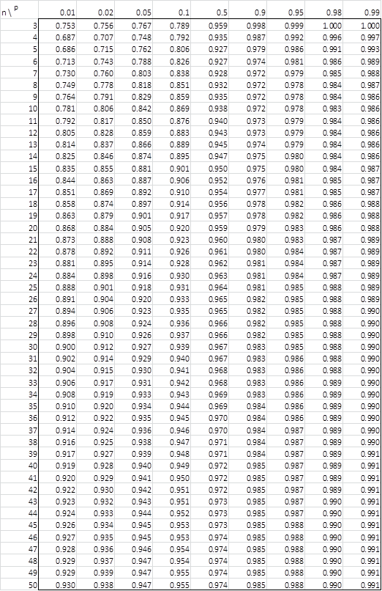
 | Sales of BLK Cola in 20 different stores
 | Cola.csv
 | Normal | EndAisle
 | 22 | 52
 | 34 | 71
 | 52 | 76
 | 62 | 54
 | 30 | 67
 | 40 | 83
 | 64 | 66
 | 84 | 90
 | 56 | 77
 | 59 | 84

Question: Is the Sales number in 'Normal' store normally distributed?

store | Normal | Sorted | n = | 10 | m = | 5 |  | diff | a*diff | mean = | 50.3
1 | 22 | 22 | a1 | 0.5739 |  |  | X10-X1 | 62 | 35.5818 | (Xi - mean)^2 | 800.89
2 | 34 | 30 | a2 | 0.3291 |  |  | X9-X2 | 34 | 11.1894 | (Xi - mean)^2 | 412.09
3 | 52 | 34 | a3 | 0.2141 |  |  | X8-X3 | 28 | 5.9948 | (Xi - mean)^2 | 265.69
4 | 62 | 40 | a4 | 0.1224 |  |  | X7-X4 | 19 | 2.3256 | (Xi - mean)^2 | 106.09
5 | 30 | 52 | a5 | 0.0399 |  |  | X6-X5 | 4 | 0.1596 | (Xi - mean)^2 | 2.89
6 | 40 | 56 |  |  |  |  |  |  |  | (Xi - mean)^2 | 32.49
7 | 64 | 59 |  |  |  |  |  | b = | 55.2512 | (Xi - mean)^2 | 75.69
8 | 84 | 62 |  |  |  |  |  |  |  | (Xi - mean)^2 | 136.89
9 | 56 | 64 |  |  |  |  |  |  |  | (Xi - mean)^2 | 187.69
10 | 59 | 84 |  |  |  |  |  | W = | 0.96723649486 | (Xi - mean)^2 | 1135.69
 |  |  |  |  |  |  |  | W = b2 ⁄ SS (Shapiro Test Statistic) |  | SS (Squared Sum) = | 3156.1

Question: Is the Sales number in 'EndAisle' store normally distributed?

store | Normal | Sorted | n = | 10 | m = | 5 |  | diff | a*diff | mean = | 72
1 | 52 | 52 | a1 | 0.5739 |  |  | X10-X1 | 38 | 21.8082 | (Xi - mean)^2 | 400
2 | 71 | 54 | a2 | 0.3291 |  |  | X9-X2 | 30 | 9.873 | (Xi - mean)^2 | 324
3 | 76 | 66 | a3 | 0.2141 |  |  | X8-X3 | 17 | 3.6397 | (Xi - mean)^2 | 36
4 | 54 | 67 | a4 | 0.1224 |  |  | X7-X4 | 10 | 1.224 | (Xi - mean)^2 | 25
5 | 67 | 71 | a5 | 0.0399 |  |  | X6-X5 | 5 | 0.1995 | (Xi - mean)^2 | 1
6 | 83 | 76 |  |  |  |  |  |  |  | (Xi - mean)^2 | 16
7 | 66 | 77 |  |  |  |  |  | b = | 36.7444 | (Xi - mean)^2 | 25
8 | 90 | 83 |  |  |  |  |  |  |  | (Xi - mean)^2 | 121
9 | 77 | 84 |  |  |  |  |  |  |  | (Xi - mean)^2 | 144
10 | 84 | 90 |  |  |  |  |  | W = | 0.95349642045 | (Xi - mean)^2 | 324
 |  |  |  |  |  |  |  | W = b2 ⁄ SS (Shapiro Test Statistic) |  | SS (Squared Sum) = | 1416

http://www.real-statistics.com/statistics-tables/shapiro-wilk-table/

Table 1 – Coefficients

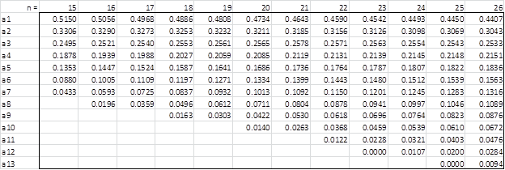

Table 2 – p-values

A Dengue Example
 |  |  | Dengue Test = Positive | Dengue Test = Negative
 |  | If a person: Has Dengue = True | 99.50% | 0.50%
 |  | If a person: Has Dengue = False | 0.10% | 99.90%

 | Yesterday you did a yearly routine medical exam, and the hospital was very generous that it provided a free Dengue test.
 | Unfortunately your result is found to be positive in the medical report.
 | But you didn’t seem to develop any Dengue symptoms since last week, how likely do you think you got infected by Dengue virus?

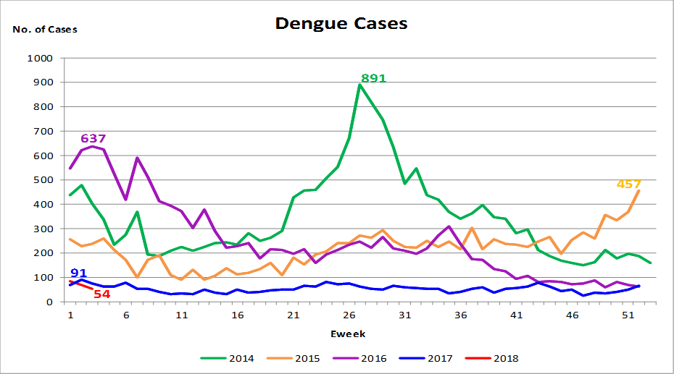

 | http://www.nea.gov.sg/public-health/dengue/dengue-cases

 | Average number of new Dengue cases per week
 | 250
 | Singapore population
 | 5,000,000

 | Average chance for a person of getting Dengue in past week P(Has Dengue = True)
 | 0.005000%

 | Average chance for a person of NOT getting Dengue in past week P(Has Dengue = False)
 | 99.995000%

 | P(Conclution|Condition) = P(Condition|Conclution)*P(Conclution)/P(Condition)
 | P(A|B) = P(B|A)*P(A)/P(B)

 | P(Has Dengue = True | Dengue Test = Positive)
= | P(Dengue Test = Positive | Has Dengue = True) * P(Has Dengue = True) / P(Dengue Test = Positive)
= | 99.5000000% | * | 0.0050000% | / | 0.1049700%
= | 4.7394494%

 | P(Dengue Test = Positive)
= | P(Dengue Test = Positive | Has Dengue = True)*P(Has Dengue = True) + P(Dengue Test = Positive | Has Dengue = False)*P(Has Dengue = False)
= | 99.5000000% | * | 0.005000% | + | 0.1000000% | * | 99.995000%
= | 0.00497500% |  |  | + | 0.09999500%
= | 0.1049700%

 | Times more likely
 | 948 |  | similar to having 948 4D Lottery tickets?
 |  |  | airline travel insurance?

